Sheet1
ID | Title | Steps | Expected Result | Actual Result | Attachment | Severity | Priority
1 | Naturally, navigated to "flight confirmation" pageAlthough the page was not filled with data without show error message | 1- login into the website using the following: username, password | Logged successfully and enter to home page | Logged successfully and entered to home page | 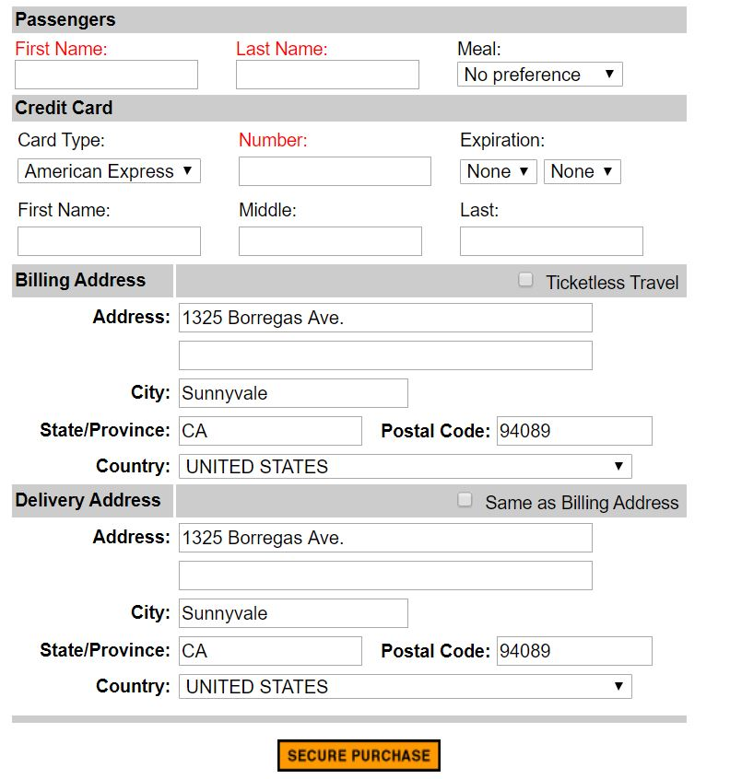 | High | High
 |  | 2- Choose Flights from sidebar | The page is opened | The page is opened
 |  | 3- Enter the required data: Type of trip , number of passenger , Departing from, Date of travel, Arriving in, Returning , Service class , Airline | Data entered successfully | Data entered successfully
 |  | 4- Click Continue | Navigate to "select flight" page | Navigate to "select flight" page
 |  | 5- Select Depart and Return flight from the tables and press continue | Navigate to "Book A Flight" page | Navigate to "Book A Flight" page
 |  | 6-Don't fill in the fields and click on "secure purchase" | show error message and stay in this page until the field fill out | when click on "Secure purchase" button without enter any data it navigated to "flight confirmation" page naturally without show error messages to fill fields
2 | The " Print Ticket" button doesn't work | 1- login into the website using the following: username, password | Logged successfully and enter to home page | Logged successfully and entered to home page |  | Medium | low
 |  | 2- Choose Flights from sidebar | The page is opened | The page is opened
 |  | 3- Enter the required data: Type of trip , number of passenger , Departing from, Date of travel, Arriving in, Returning , Service class , Airline | Data entered successfully | Data entered successfully
 |  | 4- Click Continue | Navigate to "select flight" page | Navigate to "select flight" page
 |  | 5- Select Depart and Return flight from the tables and press continue | Navigate to "Book A Flight" page | Navigate to "Book A Flight" page
 |  | 6- Enter the passenger data, Credit Card information, Billing Address, Delivery Address and click on "secure purchase" | Navigate to "Flight Confirmation" page | Navigate to "Flight Confirmation" page
 |  | 7- Click on "Print it" button | show PDF page has flight information to print it | the button doesn't work
3 | The "Cancel All Reservation" button doesn't do its functionality | 1- login into the website using the following: username, password | Logged successfully and enter to home page | Logged successfully and entered to home page | 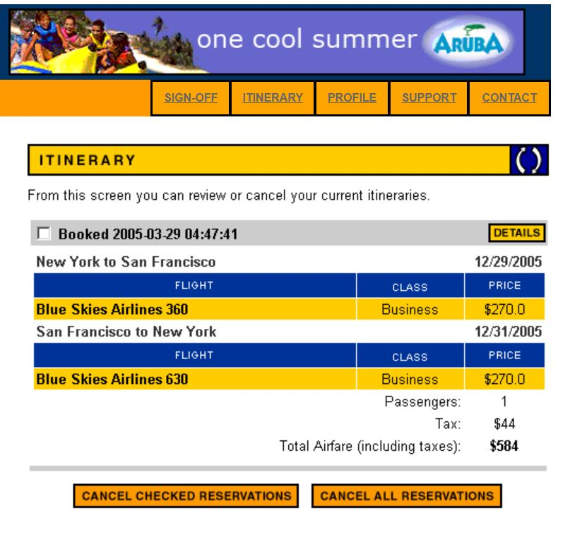 | High | High
 |  | 2- Choose Flights from sidebar | The page will open | The page is opened
 |  | 3- Choose ITINERARY from navbar | The page will open | The page is opened
 |  | 4- Click "Cancel All Reversation" button | table of reversation will be empty | when click on "Cancel All Reversation" button it returns to the home page and doesn't cancel the booking

